btw ini udah vlan blm filenya,
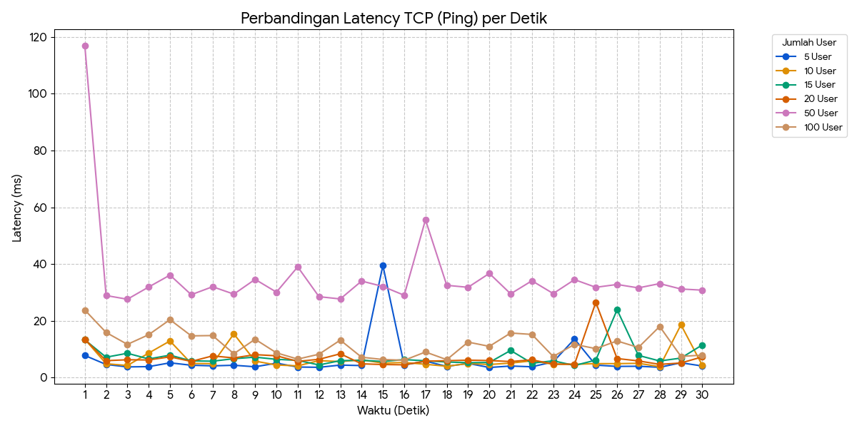
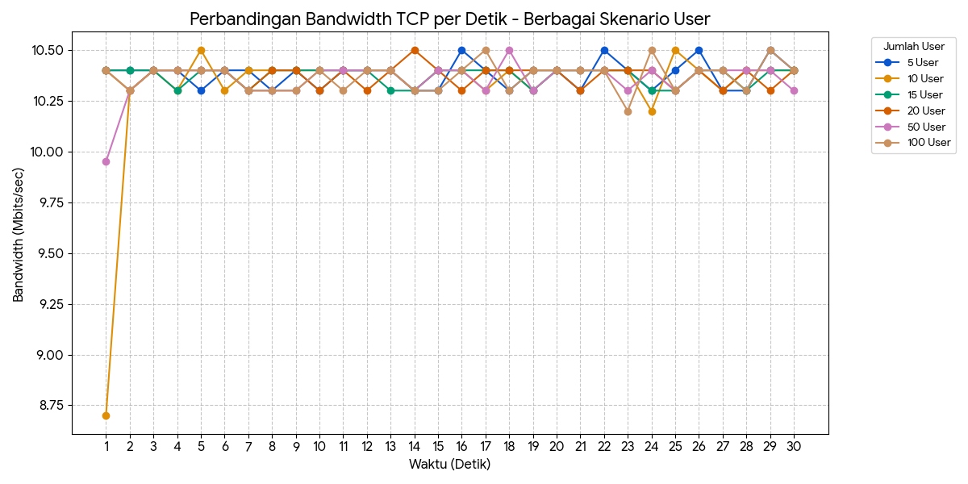
Jumlah User | Rata-rata Latency (Ping) | Rata-rata Bandwidth | Rata-rata Jitter | Packet Loss (UDP) |  | Latency UDP |  |  |  |  |  |  |  | Bw UDP |  |  |  |  |  |  | Jitter UDP
5 User | 5.211 ms | 10.5 Mbits/sec | 0.765 ms | 58% |  | Detik Ke- | 5 User | 10 User | 15 User | 20 User | 50 User | 100 User |  | Detik Ke- | 5 User | 10 User | 15 User | 20 User | 50 User | 100 User | Detik Ke- | 5 User | 10 User | 15 User | 20 User | 50 User | 100 User
10 User | 5.586 ms | 10.5 Mbits/sec | 0.534 ms | 58% |  | 1 | 10.7 | 8.19 | 12.1 | 13.1 | 123 | 13.1 |  | 1 | 10.6 | 10.6 | 10.5 | 10.6 | 10.5 | 10.6 | 1 | 1.049 | 0.71 | 1.128 | 0.898 | 1.874 | 0.901
15 User | 6.438 ms | 10.5 Mbits/sec | 0.536 ms | 58% |  | 2 | 3.72 | 5.2 | 5.49 | 9.57 | 30.2 | 5.63 |  | 2 | 10.5 | 10.5 | 10.6 | 10.5 | 10.6 | 10.2 | 2 | 0.368 | 0.666 | 0.817 | 0.647 | 1.153 | 2.888
20 User | 6.554 ms | 10.5 Mbits/sec | 1.115 ms | 58% |  | 3 | 11.3 | 8.33 | 5.49 | 5.73 | 36.6 | 6.39 |  | 3 | 10.5 | 10.5 | 10.5 | 10.5 | 10.5 | 10.8 | 3 | 0.612 | 0.929 | 0.836 | 1.033 | 1.218 | 1.633
50 User | 37.950 ms | 10.5 Mbits/sec | 0.990 ms | 58% |  | 4 | 3.69 | 5.85 | 5.77 | 6.12 | 36.6 | 6.95 |  | 4 | 10.5 | 10.5 | 10.5 | 10.5 | 10.5 | 10.6 | 4 | 0.76 | 0.86 | 0.872 | 1.083 | 1.256 | 1.57
100 User | 12.226 ms | 10.5 Mbits/sec | 1.636 ms | 58% |  | 5 | 4.83 | 5.38 | 5.02 | 6.98 | 33.6 | 44.9 |  | 5 | 10.5 | 10.5 | 10.5 | 10.6 | 10.5 | 10.5 | 5 | 0.837 | 0.864 | 0.995 | 0.967 | 1.253 | 1.027
 |  |  |  |  |  | 6 | 3.59 | 5.37 | 5.89 | 6.82 | 38 | 9.19 |  | 6 | 10.6 | 10.5 | 10.5 | 10.5 | 10.6 | 10.5 | 6 | 0.766 | 0.419 | 0.879 | 0.584 | 1.316 | 1.537
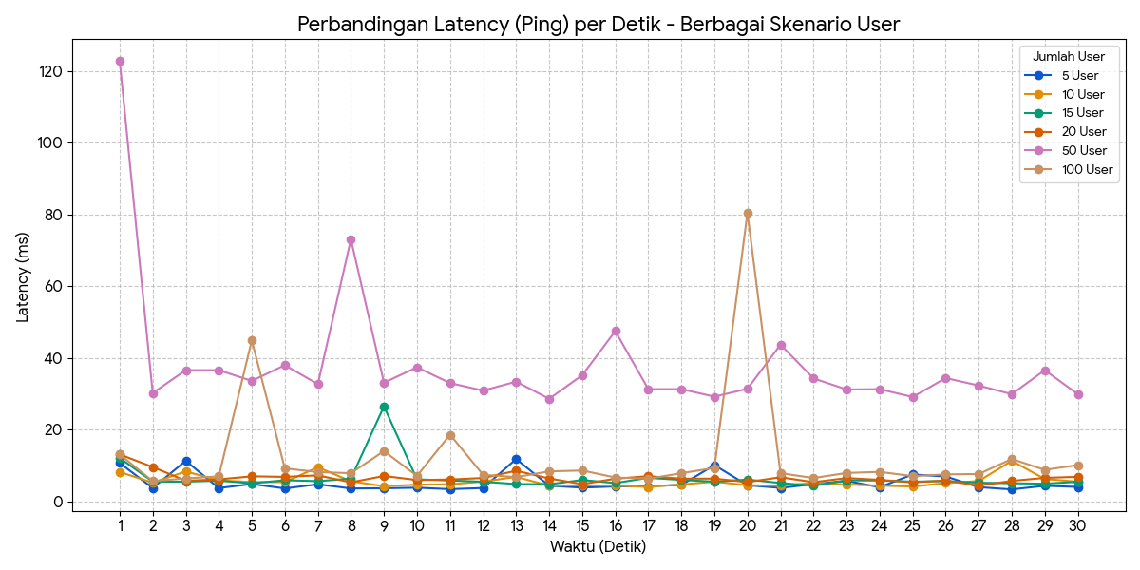
 |  |  |  |  |  | 7 | 4.75 | 9.51 | 5.63 | 7.24 | 32.7 | 8.15 |  | 7 | 10.6 | 10.5 | 10.5 | 10.5 | 10.5 | 10.6 | 7 | 0.949 | 0.466 | 0.737 | 0.791 | 1.134 | 1.197
 |  |  |  |  |  | 8 | 3.58 | 5.59 | 6.31 | 5.3 | 73.1 | 7.85 |  | 8 | 10.5 | 10.5 | 10.5 | 10.5 | 10.6 | 10.5 | 8 | 0.522 | 0.602 | 0.818 | 0.917 | 0.846 | 1.06
 |  |  |  |  |  | 9 | 3.64 | 4.22 | 26.5 | 7.07 | 33.1 | 14 |  | 9 | 10.5 | 10.5 | 10.5 | 10.5 | 10.5 | 10.5 | 9 | 0.619 | 0.572 | 0.659 | 0.888 | 0.822 | 1.683
 |  |  |  |  |  | 10 | 3.8 | 4.65 | 6.13 | 5.94 | 37.4 | 7.09 |  | 10 | 10.6 | 10.5 | 10.5 | 10.5 | 10.5 | 10.6 | 10 | 0.537 | 0.704 | 0.769 | 0.846 | 1.277 | 0.748
 |  |  |  |  |  | 11 | 3.39 | 4.76 | 5.81 | 6.08 | 33 | 18.6 |  | 11 | 10.5 | 10.5 | 10.5 | 10.5 | 10.5 | 10.5 | 11 | 0.48 | 1.096 | 0.603 | 0.901 | 1.304 | 1.138
 |  |  |  |  |  | 12 | 3.71 | 5.5 | 5.47 | 6.51 | 30.9 | 7.4 |  | 12 | 10.5 | 10.5 | 10.5 | 10.5 | 10.5 | 10.5 | 12 | 1.094 | 3.358 | 0.663 | 0.874 | 1.265 | 0.986
 |  |  |  |  |  | 13 | 11.8 | 6.82 | 4.82 | 8.53 | 33.4 | 6.76 |  | 13 | 10.6 | 10.6 | 10.5 | 10.6 | 10.6 | 10.5 | 13 | 0.547 | 0.478 | 0.89 | 0.603 | 1.219 | 1.594
 |  |  |  |  |  | 14 | 4.34 | 4.36 | 4.76 | 6.37 | 28.6 | 8.35 |  | 14 | 10.5 | 10.5 | 10.5 | 10.5 | 10.5 | 10.5 | 14 | 0.776 | 0.529 | 0.719 | 0.6 | 1.274 | 1.56
 |  |  |  |  |  | 15 | 3.82 | 4.45 | 5.95 | 4.8 | 35.2 | 8.6 |  | 15 | 10.5 | 10.5 | 10.5 | 10.6 | 10.5 | 10.6 | 15 | 0.667 | 0.685 | 0.593 | 0.635 | 1.195 | 1.034
 |  |  |  |  |  | 16 | 4.15 | 4.38 | 5.1 | 6.31 | 47.5 | 6.65 |  | 16 | 10.5 | 10.5 | 10.5 | 10.5 | 10.6 | 10.6 | 16 | 0.813 | 1.613 | 0.883 | 0.842 | 0.971 | 1.105
 |  |  |  |  |  | 17 | 4.23 | 4 | 6.55 | 7.02 | 31.3 | 6.32 |  | 17 | 10.5 | 10.5 | 10.5 | 10.5 | 10.5 | 10.5 | 17 | 0.85 | 0.685 | 0.84 | 0.875 | 1.54 | 1.504
 |  |  |  |  |  | 18 | 4.58 | 4.71 | 5.97 | 6.32 | 31.3 | 7.84 |  | 18 | 10.5 | 10.6 | 10.5 | 10.5 | 10.6 | 10.5 | 18 | 0.801 | 0.576 | 0.534 | 0.926 | 1.274 | 2.683
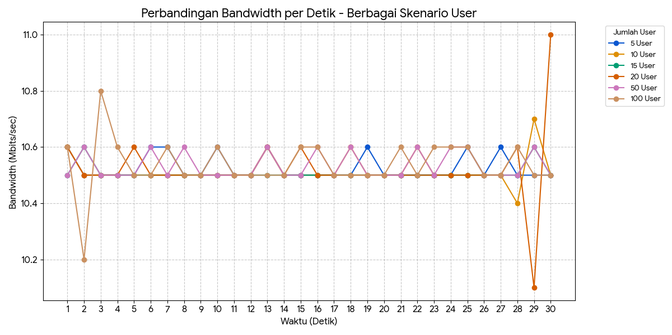
 |  |  |  |  |  | 19 | 10.1 | 5.48 | 5.49 | 6.33 | 29.2 | 9.32 |  | 19 | 10.6 | 10.5 | 10.5 | 10.5 | 10.5 | 10.5 | 19 | 0.565 | 0.729 | 0.746 | 0.741 | 1.445 | 1.551
 |  |  |  |  |  | 20 | 4.49 | 4.5 | 6.06 | 5.36 | 31.4 | 80.5 |  | 20 | 10.5 | 10.5 | 10.5 | 10.5 | 10.5 | 10.5 | 20 | 0.762 | 0.667 | 0.765 | 0.872 | 1.456 | 1.63
 |  |  |  |  |  | 21 | 3.74 | 4.32 | 5.12 | 6.72 | 43.7 | 7.85 |  | 21 | 10.5 | 10.5 | 10.5 | 10.5 | 10.5 | 10.6 | 21 | 1.424 | 0.801 | 0.811 | 1.016 | 1.547 | 1.341
 |  |  |  |  |  | 22 | 4.79 | 5.15 | 4.36 | 5.34 | 34.3 | 6.5 |  | 22 | 10.5 | 10.6 | 10.5 | 10.5 | 10.6 | 10.5 | 22 | 0.771 | 0.38 | 1.11 | 0.931 | 1.172 | 1.773
 |  |  |  |  |  | 23 | 5.69 | 4.68 | 5.85 | 6.48 | 31.2 | 7.91 |  | 23 | 10.5 | 10.5 | 10.5 | 10.5 | 10.5 | 10.6 | 23 | 0.528 | 0.672 | 0.527 | 0.67 | 1.236 | 1.15
 |  |  |  |  |  | 24 | 3.94 | 4.38 | 5.81 | 5.99 | 31.3 | 8.21 |  | 24 | 10.5 | 10.5 | 10.5 | 10.5 | 10.6 | 10.6 | 24 | 1.067 | 0.547 | 0.552 | 0.864 | 1.435 | 1.392
 |  |  |  |  |  | 25 | 7.48 | 4.12 | 5.48 | 5.3 | 29.1 | 7.03 |  | 25 | 10.6 | 10.5 | 10.5 | 10.5 | 10.6 | 10.6 | 25 | 0.745 | 1.115 | 0.74 | 0.632 | 0.978 | 1.386
 |  |  |  |  |  | 26 | 6.94 | 5.1 | 5.63 | 5.82 | 34.4 | 7.52 |  | 26 | 10.5 | 10.5 | 10.5 | 10.5 | 10.5 | 10.5 | 26 | 0.548 | 0.599 | 0.757 | 1.365 | 0.972 | 1.244
 |  |  |  |  |  | 27 | 3.95 | 5.65 | 5.19 | 4.38 | 32.3 | 7.61 |  | 27 | 10.6 | 10.5 | 10.5 | 10.5 | 10.5 | 10.5 | 27 | 0.659 | 0.536 | 0.593 | 0.933 | 1.239 | 1.222
 |  |  |  |  |  | 28 | 3.32 | 11.3 | 5.05 | 5.7 | 29.9 | 11.8 |  | 28 | 10.5 | 10.4 | 10.5 | 10.6 | 10.5 | 10.6 | 28 | 0.724 | 1.999 | 0.545 | 0.703 | 1.723 | 1.625
 |  |  |  |  |  | 29 | 4.33 | 6.22 | 4.91 | 6.54 | 36.6 | 8.78 |  | 29 | 10.5 | 10.7 | 10.6 | 10.1 | 10.6 | 10.5 | 29 | 0.622 | 0.776 | 0.453 | 1.358 | 1 | 1.245
 |  |  |  |  |  | 30 | 4.01 | 5.47 | 5.45 | 6.84 | 29.9 | 10.1 |  | 30 | 10.5 | 10.5 | 10.5 | 11 | 10.5 | 10.5 | 30 | 0.516 | 0.593 | 0.562 | 0.898 | 1.348 | 2.059

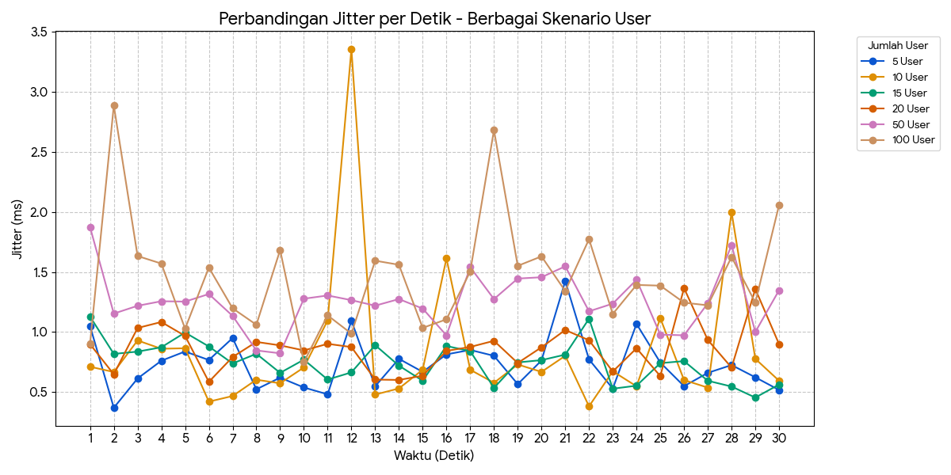

Latency TCP |  |  |  |  |  |  |  | Bw TCP
Detik Ke- | 5 User | 10 User | 15 User | 20 User | 50 User | 100 User |  | Detik Ke- | 5 User | 10 User | 15 User | 20 User | 50 User | 100 User
1 | 7.79 | 13.5 | 13.3 | 13.5 | 117 | 23.8 |  | 1 | 10.4 | 8.7 | 10.4 | 10.4 | 9.95 | 10.4
2 | 4.62 | 4.89 | 7.18 | 5.96 | 28.9 | 15.9 |  | 2 | 10.4 | 10.3 | 10.4 | 10.3 | 10.3 | 10.3
3 | 3.76 | 4.25 | 8.56 | 6.28 | 27.6 | 11.7 |  | 3 | 10.4 | 10.4 | 10.4 | 10.4 | 10.4 | 10.4
4 | 3.86 | 8.63 | 6.57 | 6.2 | 31.9 | 15.1 |  | 4 | 10.4 | 10.3 | 10.3 | 10.4 | 10.4 | 10.4
5 | 5.2 | 12.9 | 7.9 | 7.31 | 36.1 | 20.4 |  | 5 | 10.3 | 10.5 | 10.4 | 10.4 | 10.4 | 10.4
6 | 4.35 | 4.99 | 5.89 | 5.69 | 29.2 | 14.7 |  | 6 | 10.4 | 10.3 | 10.4 | 10.4 | 10.4 | 10.4
7 | 4.13 | 4.89 | 5.77 | 7.64 | 32 | 14.8 |  | 7 | 10.4 | 10.4 | 10.3 | 10.3 | 10.3 | 10.3
8 | 4.34 | 15.4 | 6.65 | 6.92 | 29.4 | 8.41 |  | 8 | 10.3 | 10.4 | 10.4 | 10.4 | 10.3 | 10.3
9 | 3.81 | 5.8 | 7.2 | 8.08 | 34.6 | 13.5 |  | 9 | 10.4 | 10.4 | 10.4 | 10.4 | 10.3 | 10.3
10 | 5.08 | 4.43 | 6.43 | 7.68 | 30.1 | 8.72 |  | 10 | 10.3 | 10.4 | 10.4 | 10.3 | 10.4 | 10.4
11 | 3.72 | 4.14 | 6.06 | 5.72 | 39 | 6.51 |  | 11 | 10.4 | 10.4 | 10.4 | 10.4 | 10.4 | 10.3
12 | 3.62 | 5.97 | 4.45 | 6.44 | 28.5 | 8.23 |  | 12 | 10.4 | 10.4 | 10.4 | 10.3 | 10.4 | 10.4
13 | 4.4 | 5.65 | 5.97 | 8.38 | 27.7 | 13.2 |  | 13 | 10.4 | 10.4 | 10.3 | 10.4 | 10.4 | 10.4
14 | 4.23 | 6.24 | 6.1 | 4.85 | 34 | 7.17 |  | 14 | 10.3 | 10.3 | 10.3 | 10.5 | 10.3 | 10.3
15 | 39.5 | 5.1 | 5.68 | 4.6 | 32.1 | 6.37 |  | 15 | 10.3 | 10.4 | 10.4 | 10.4 | 10.4 | 10.3
16 | 4.44 | 5.31 | 6.34 | 4.5 | 29 | 6.1 |  | 16 | 10.5 | 10.4 | 10.4 | 10.3 | 10.4 | 10.4
17 | 5.8 | 4.69 | 5.92 | 5.79 | 55.6 | 9.01 |  | 17 | 10.4 | 10.3 | 10.4 | 10.4 | 10.3 | 10.5
18 | 3.94 | 3.99 | 5.49 | 5.94 | 32.5 | 6.31 |  | 18 | 10.3 | 10.4 | 10.4 | 10.4 | 10.5 | 10.3
19 | 5 | 4.95 | 5.25 | 6.14 | 31.8 | 12.5 |  | 19 | 10.4 | 10.3 | 10.3 | 10.4 | 10.3 | 10.4
20 | 3.56 | 4.61 | 5.33 | 6 | 36.7 | 11 |  | 20 | 10.4 | 10.4 | 10.4 | 10.4 | 10.4 | 10.4
21 | 4.07 | 5.11 | 9.56 | 5.65 | 29.5 | 15.7 |  | 21 | 10.3 | 10.4 | 10.4 | 10.3 | 10.4 | 10.4
22 | 3.81 | 5.89 | 5.06 | 6.26 | 34.1 | 15.2 |  | 22 | 10.5 | 10.4 | 10.4 | 10.4 | 10.4 | 10.4
23 | 5.52 | 4.72 | 5.91 | 4.76 | 29.6 | 7.43 |  | 23 | 10.4 | 10.4 | 10.4 | 10.4 | 10.3 | 10.2
24 | 13.6 | 4.67 | 4.27 | 4.7 | 34.5 | 11.7 |  | 24 | 10.3 | 10.2 | 10.3 | 10.4 | 10.4 | 10.5
25 | 4.39 | 4.91 | 6.15 | 26.5 | 31.8 | 10.2 |  | 25 | 10.4 | 10.5 | 10.3 | 10.3 | 10.3 | 10.3
26 | 3.94 | 4.91 | 23.9 | 6.71 | 32.8 | 12.9 |  | 26 | 10.5 | 10.4 | 10.4 | 10.4 | 10.4 | 10.4
27 | 3.99 | 5.03 | 7.82 | 5.88 | 31.6 | 10.6 |  | 27 | 10.3 | 10.3 | 10.4 | 10.3 | 10.4 | 10.4
28 | 3.63 | 3.86 | 5.85 | 4.65 | 33.1 | 18 |  | 28 | 10.3 | 10.4 | 10.3 | 10.4 | 10.4 | 10.3
29 | 5.21 | 18.6 | 6.87 | 5.14 | 31.2 | 7.45 |  | 29 | 10.5 | 10.4 | 10.4 | 10.3 | 10.4 | 10.5
30 | 4.08 | 4.35 | 11.5 | 7.3 | 30.8 | 7.91 |  | 30 | 10.4 | 10.4 | 10.4 | 10.4 | 10.3 | 10.4

